Sheet1
No | Number | Part Name | Quantity | Photo
1 | 61000070005 | Oil Filter | 500 | 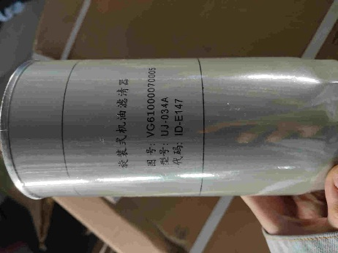 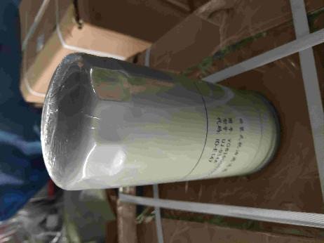 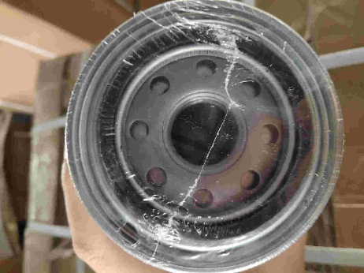
2 | PL420 | Filter fuel rough cleaning | 50 | 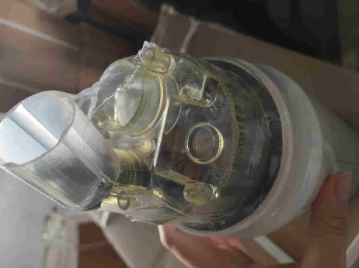 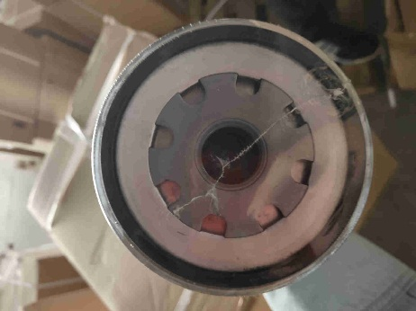 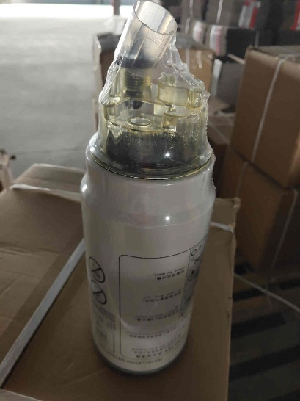
3 | 612630080087 | Filter fuel fine cleaning | 50 | 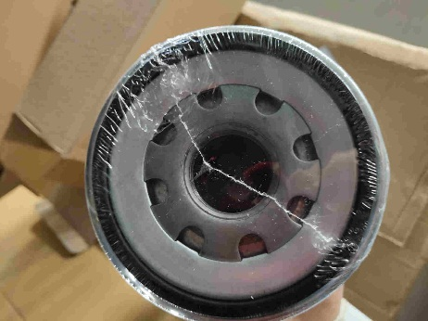 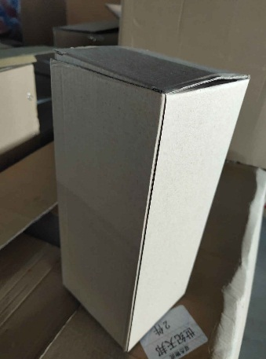 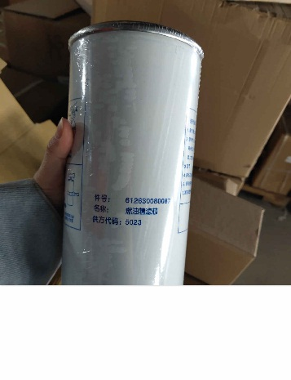
4 | K3250/1 | Air filter SHAANXI FOTON CAMC Euro-3(q.2pcs) | 50 | 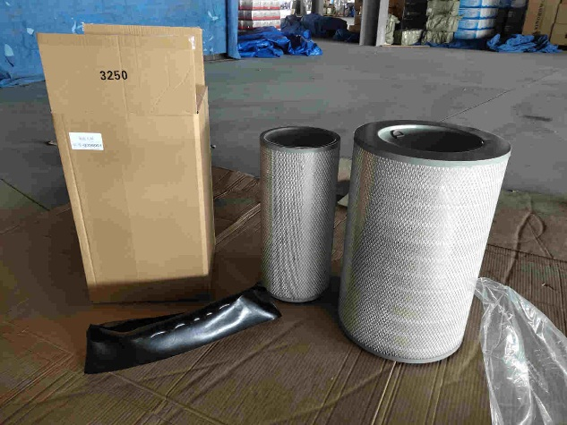 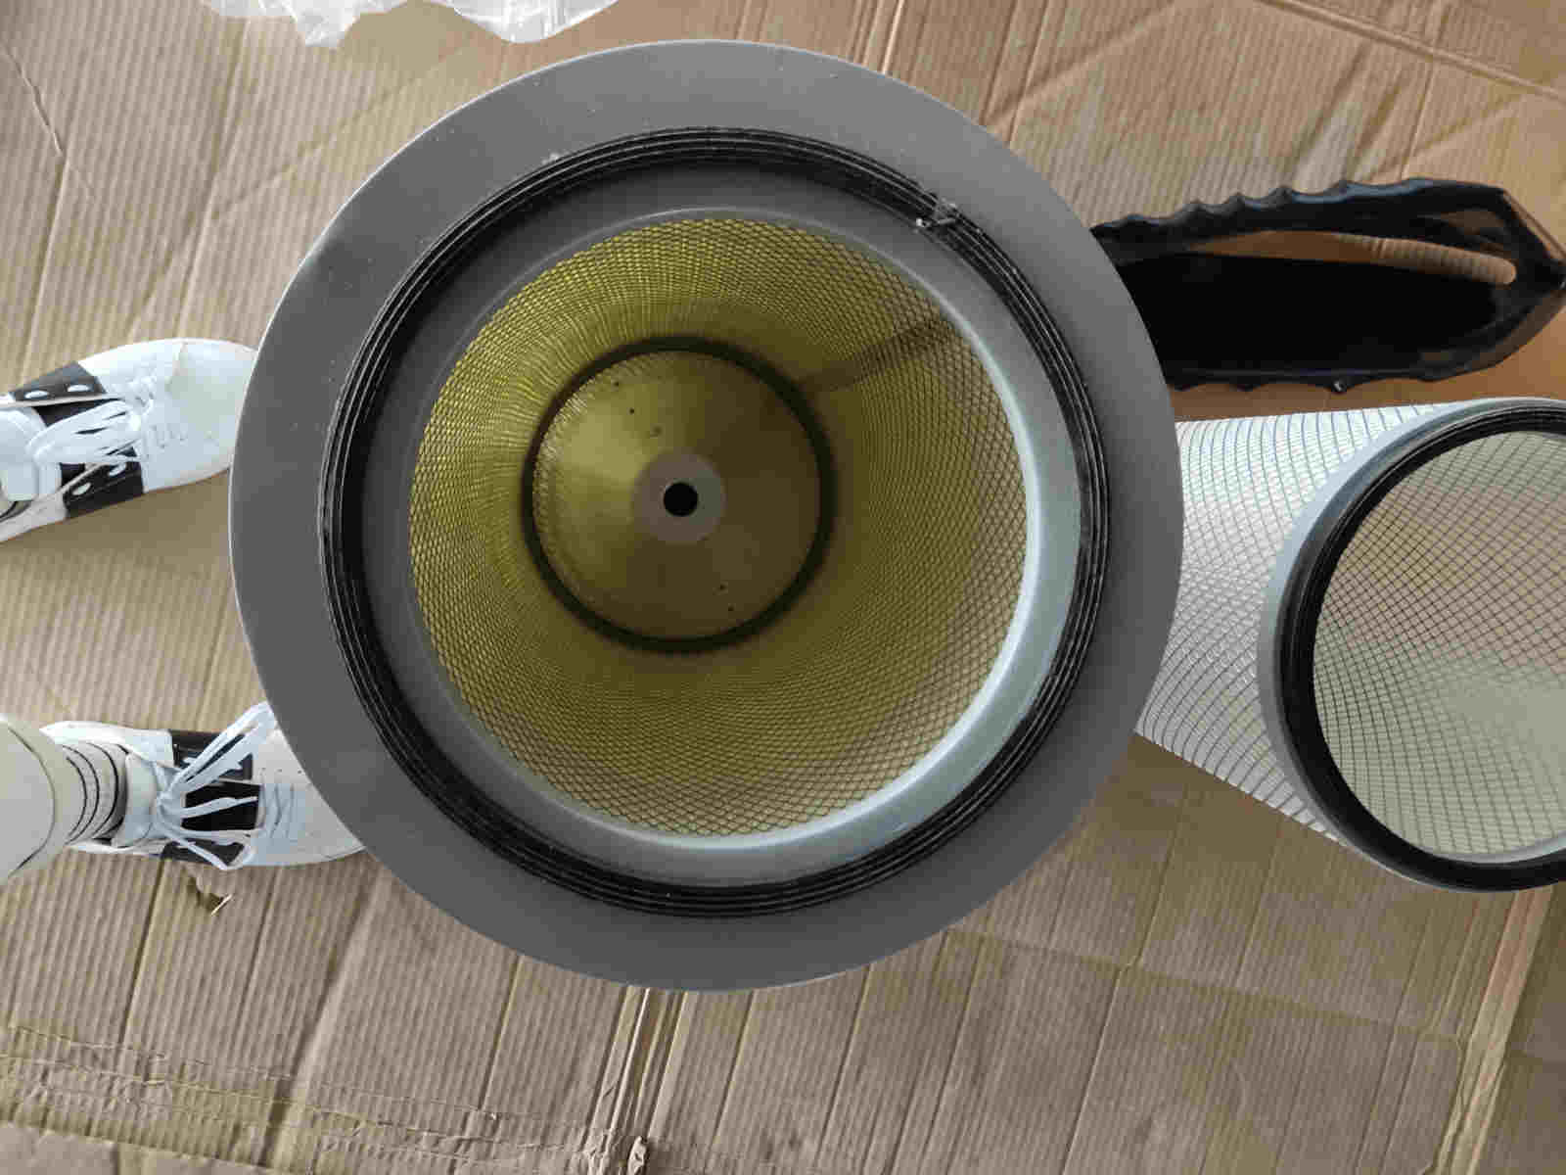
5 | VG1092080009 WDK999 | 旋转式燃油精滤器 | 100 | 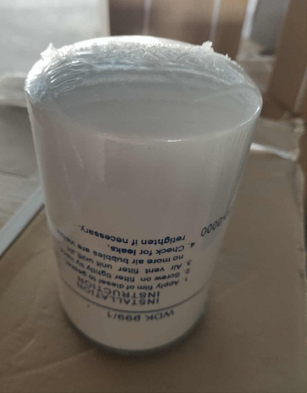 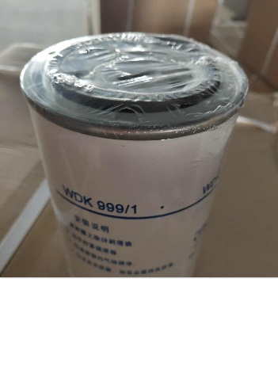 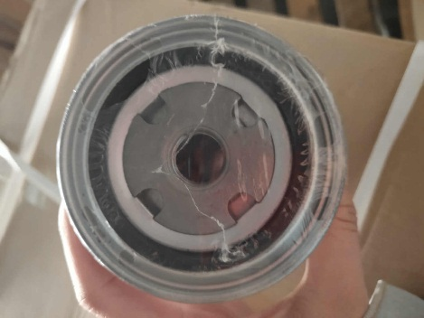
6 | WDK 999/1 1117050-73D | Euro 3WDK 999/1 1117050-73D | 50 | 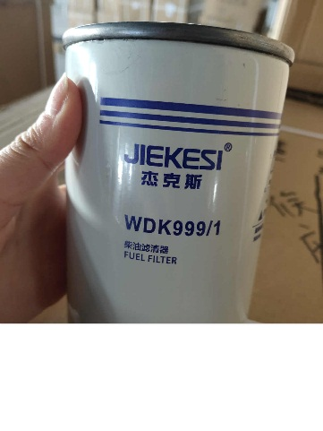 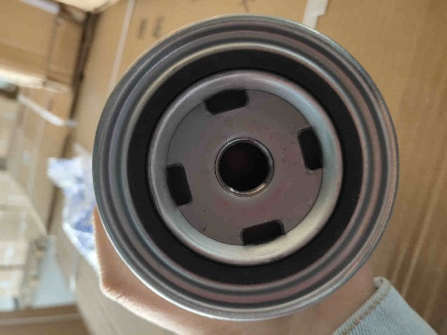
7 | FAW-3252 | Filter fuel filter | 50 | 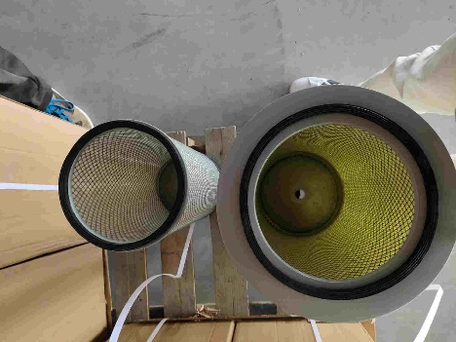 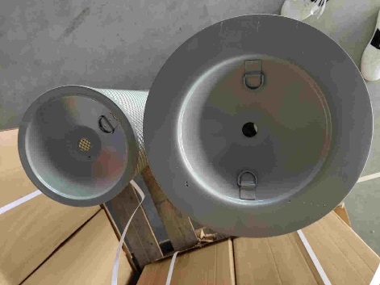
8 | Euro 3 WDK 999/1 1117001-630-0000 | 滤清器 | 50 | 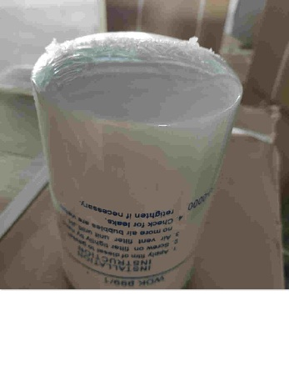  
9 | 3251-2 1417035600070 | Bauder dehumidifier(dryer) complete with filter Foton | 10 | 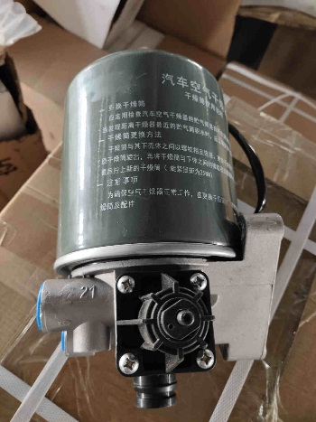 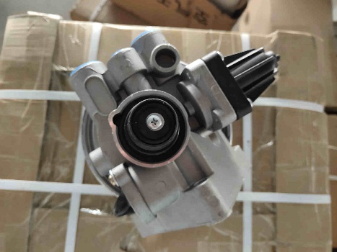 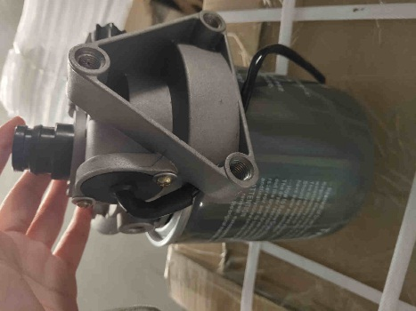
10 | 1012010-36D | Oil filter | 50 | 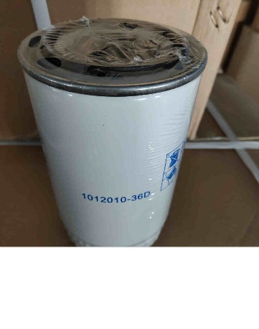 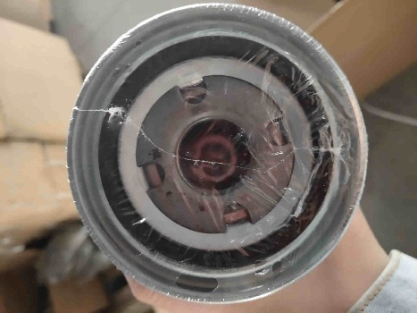
11 | 1109060-385 | Air filter FAW | 50 | 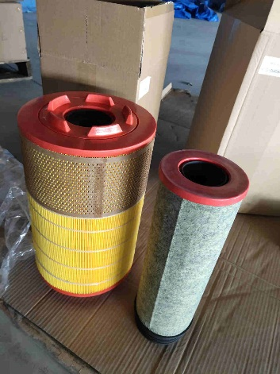 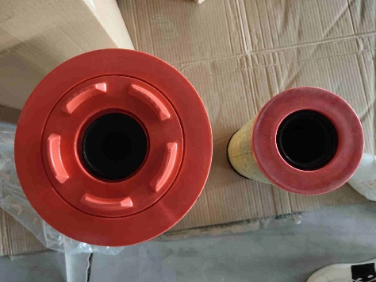 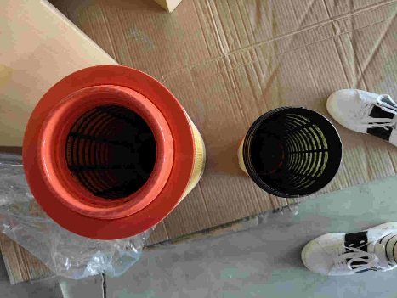
12 | 1417029200032 / 99100680052 | Front stabilizer bar bushing | 200 | 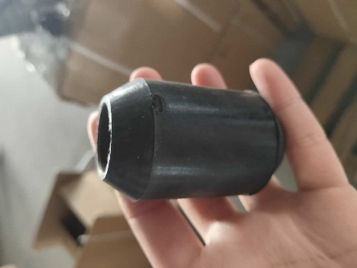 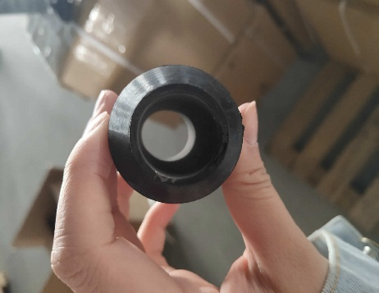
13 | Front stabilizer bar bushing | Front stabilizer bar bushing | 50 | 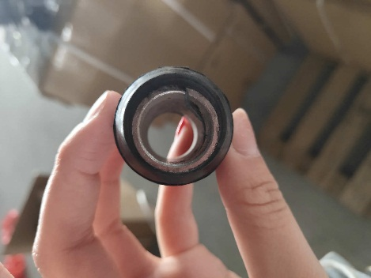 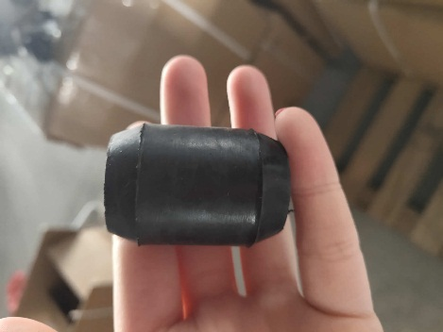
14 | 1417029200026 / 199100680068 | Rubber bearing | 300 | 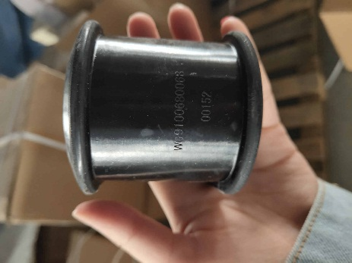 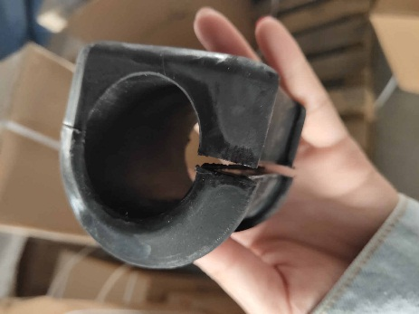
15 | 1880410041(хово) D-27 конус (27/29)AK | Steering tie rod arm right | 30 | 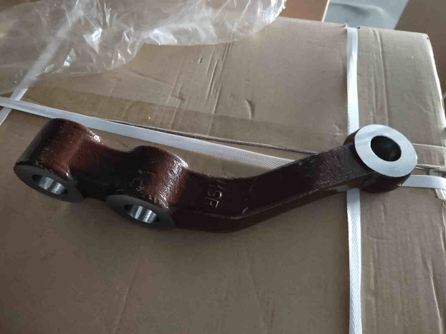 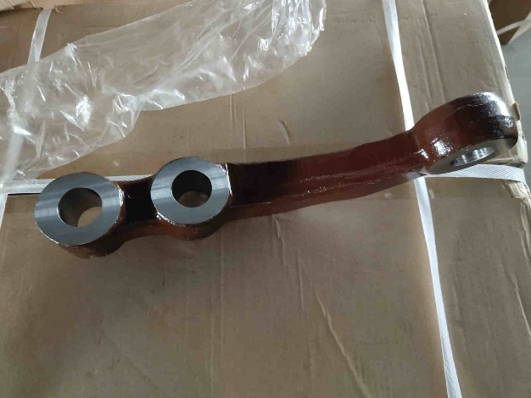
16 | 1880410040 (хово) D-27,(27/29) AK*HFF3003067CKIG | Steering Tie Rod Arm LEFT | 30 | 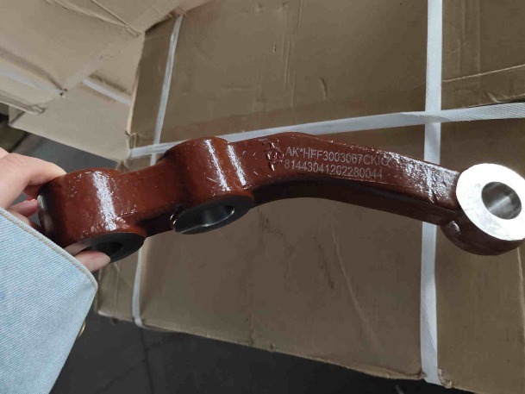 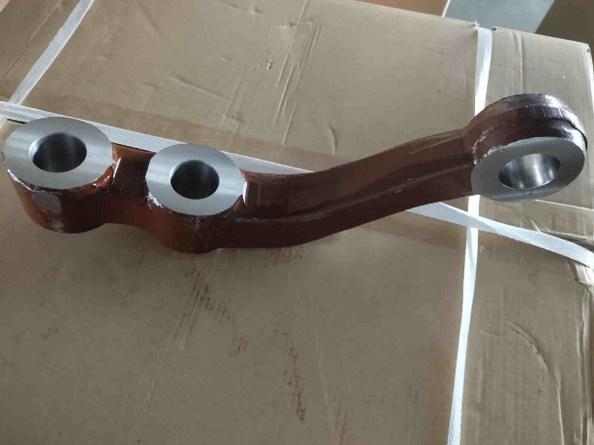
17 | wg9725520072/1 16*90 | Front left leaf spring | 30 | 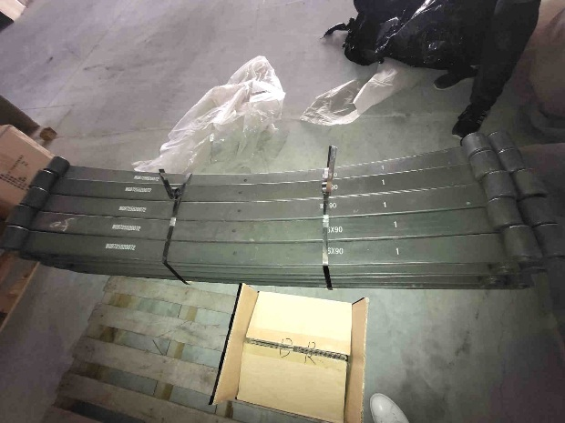 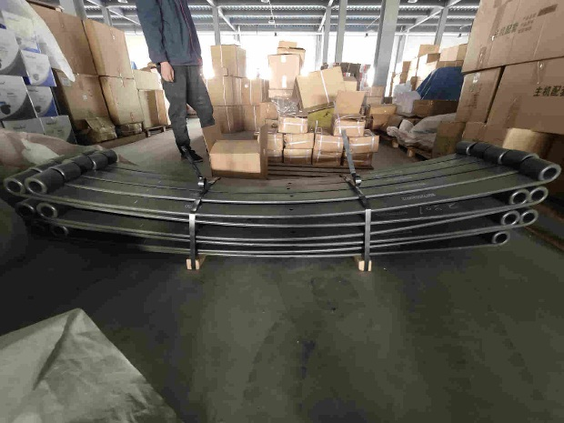 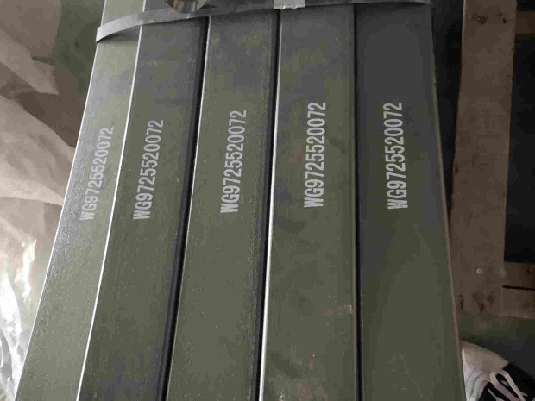
18 | 1325334008004 / G020904 | Steering pump | 5 | 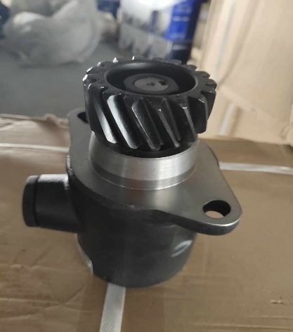 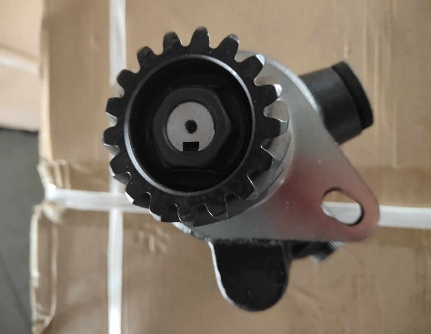 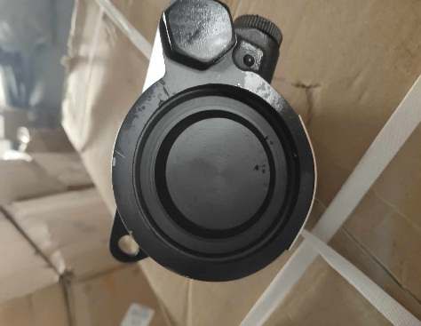
19 | h4295310002a0 (a1310) FOTON | Suspending Cushion Assy | 50 | 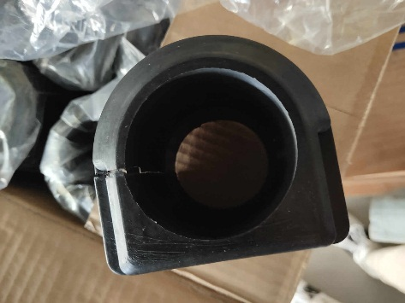 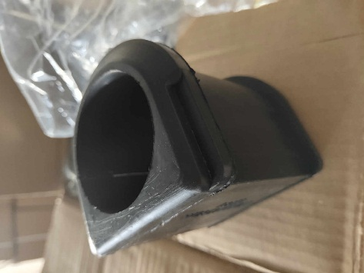
20 | FAW W950/31 1012010-36D | Oil filter | 50 | 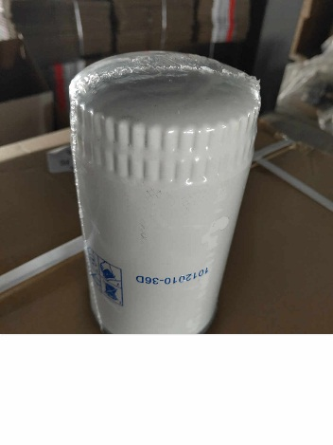 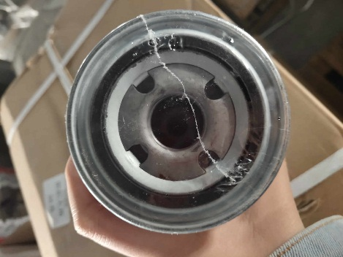
21 | 1017011-29DM | Rotor oil filter | 50 | 